RefundTransactionDetailExample
Taxpayer Name: |  | 0 |  | Reviewer Name: | 0 |  |  |  | Auditor Number
License Number: |  | 0 |  | Refund Period: | 0 |  | Through | 0 | 0
Transaction Information
Item # | Invoice Date | Customer Name | Invoice Number | Taxing County Jurisdiction | Taxing City Jurisdiction | Location Code | Business Class Code | Taxing Period Invoice Was Reported | Gross Invoice Amount | Additional Requested State/County Deduction |  |  |  |  | Additional Requested City Deduction |  |  |  |  | Requested Tax Refund |  | Legal Basis | Additional Comment

 |  |  |  |  |  |  |  |  |  | 542 | 503 | Deduction Code #3 | Deduction Code #4 | Deduction Code #5 | 542 | 503 | Deduction Code #3 | Deduction Code #4 | Deduction Code #5 | State/County Tax | City Tax | Arizona Revised Statutes
 |  |  |  |  |  |  |  |  |  | Deduction Codes |  |  |  |  | Deduction Codes |  |  |  |  |  |  | Model City Tax Code
{A} | {B} | {C} | {D} | {E} | {F} | {G} | {H} | {I} | {J} | {K} | {L} | {M} | {N} | {O} | {P} | {Q} | {R} | {S} | {T} | {U} | {V} | {W} | {X}
1 | 2014-11-24 | Purchaser Company | 6124 | Maricopa | Goodyear | 1 | 17 | 2014-11-01 | 344.00 | 69.00 |  |  |  |  | 69.00 |  |  |  |  | 5.00 | 1.00 | A.R.S. §42-5061.V.4
2 | 2014-11-24 | Purchaser Company | 6124 | Maricopa | Goodyear | 1 | 17 | 2014-11-01 | 344.00 |  | 98.00 |  |  |  |  | 98.00 |  |  |  | 6.00 | 2.00 | A.R.S. §42-5061.V.3

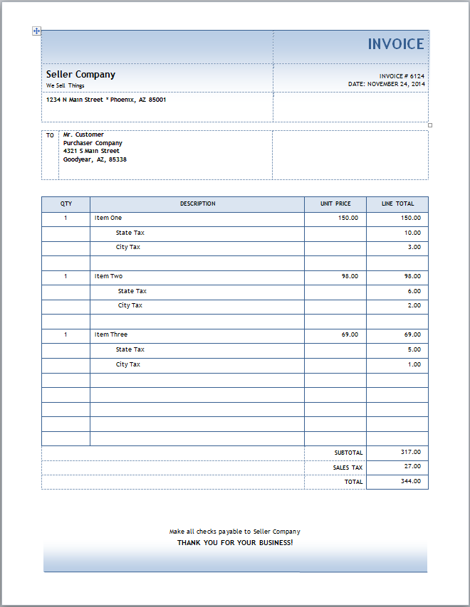

 | Appendix A
 | How to complete the Excel Worksheet “RefundTransactionDetail” with column explanation.

 | The following scenario will be used as an example within the column explanation provided below. “You have a retail store that is located in Goodyear, Arizona, a program city. You made a sale to a customer on November 24, 2014. Invoice number 6124 shows you billed and received $344 for the sale of three items as follows: one item for $150 ($13 tax), the second item for $98 ($8) and the third for $69 ($6).

 | You reported this sale on your December 2014 TPT-1 showing the $344 gross, taking a $27 Code 551 deduction and remitted $27 tax to the Department. Later you determined that Item Three for $69 ($6) is not taxable as it is a warranty items (deduction code 542). You are requesting a $6 tax refund. This would be one line item.

 | If you determine that Item Two is also eligible for a refund under a different deduction code, (code 503 sale for resale), a second line item on the spreadsheet must be created to show the $8 refund request and the different deduction code. The Gross invoice amount would be the same in column J ($344), however, the deduction code (503) and amounts ($8) would go under a separate column than the one used for Item Three.

 | Column Explanation.

 | Column A: | Item #: This denotes the line item for references.
 | Column B: | Invoice Date: This column identifies the invoice date.
 | Column C: | Customer Name: Put in your customers name in this box, that matches the invoice.
 | Column D: | Invoice Number: Put the invoice number or other identifying number in this column.
 | Column E: | Taxing County Jurisdiction: This column identifies the three letter code for counties, reservations or special regions under which the transaction was reported.
 | Column F: | Taxing City Jurisdiction: This column identifies the two letter code for cities under which the transaction was reported. Please note, the Arizona Department of Revenue can only issue refunds for Program cities. All refund claims for non-program cities must be requested from those specific cities.
 | Column G: | Location Code: This is the three digit code that identifies the location of the Taxpayer requesting the refund. For more information on location based reporting, please refer to https://www.azdor.gov/TransactionPrivilegeTax(TPT)/ReportingGuide/LocationBasedReporting.aspx
 | Column H: | Business Class Code: This column identifies the three digit number corresponding to your business activity, which can be found in the Tax Rate Tables. (For example, 017 is the business code for a retail business.)
 | Column I: | Taxing Period Invoice Was Reported: This identifies which month the transaction was reported to the Department of Revenue. For the example, December 2014.
 | Column J: | Gross Invoice Amount: This column is the gross amount of the invoice or line item from the invoice, including the taxes collected. This amount needs to match the invoices provided. For my example, insert $344.
 | Columns K-O: | Enter the three-digit deduction code and the dollar amount of the deduction for the State/County in column K. If more than one deduction, use columns L through O.
 | Columns P-T: | Enter the three-digit deduction code and the dollar amount of the deduction for the City in column P. If more than one deduction, use columns Q through T.
 | Column U: | Total Requested State/County Tax: This is the actual refund amount that is being requested from the State/County. For my example, insert $5.
 | Column V: | Total Requested City Tax: This is the actual refund amount that is being requested from the City. For my example, insert $1
 | Column W: | Legal Basis (A.R.S. Statute, MCTC Section, etc.): This column is provided for you to list the legal basis for your refund request. You must be specific as to the legal reference in order to avoid delays. For my example, the legal reference for sale for resale is ARS § 42-5061.V.4 and warranty items is ARS § 42-5061.A.3 and AZ Administrative Code Section 15-5.137/138
 | Column X: | Additional Comment: This column is provided for you to describe the exact nature of the deduction and why it applies to your request.

